Trade Tracker 2
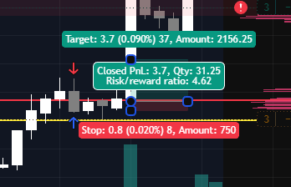
ZTH | Date | Time | Asset Traded | Direction | Entry Price | Exit Price | Position Size | Stop Loss | Take Profit | RR Targeted | RR Realized | Win/Loss | P&L Amount | P&L % | Cumulative P&L | Trade Setup | Notes | Screenshot Link (CLICK HERE)
1 | 07/26/2026 | 19:52:00 | MGC | Long | 4,098.40 | 4,096.90 | 10 | 4,096.90 | 4,100.10 | 1.13 | -1.00 | Loss | -150 | -0.04% | -150 | 123 setup | Mistake: Incorrect position size and SL/TP. becuase i used dollar TP/SL in exit and stop.
2 | 07/27/2026 | 0:07:00 | MGC | Short | 4,093.20 | 4,091.70 | 1 | 4,093.90 | 4,091.70 | 2.14 | 2.14 | Win | 15 | 0.04% | -135 | Rejection at Opening level | 1) Counter Trend Trade 2)Entered late after many confirmations. 3) Reduced size to 1.
 |  |  |  |  |  |  |  |  |  |  |  |  |  |  | #VALUE!
 |  |  |  |  |  |  |  |  |  |  |  |  |  |  | #VALUE!
 |  |  |  |  |  |  |  |  |  |  |  |  |  |  | #VALUE!
 |  |  |  |  |  |  |  |  |  |  |  |  |  |  | #VALUE!
 |  |  |  |  |  |  |  |  |  |  |  |  |  |  | #VALUE!
 |  |  |  |  |  |  |  |  |  |  |  |  |  |  | #VALUE!
 |  |  |  |  |  |  |  |  |  |  |  |  |  |  | #VALUE!
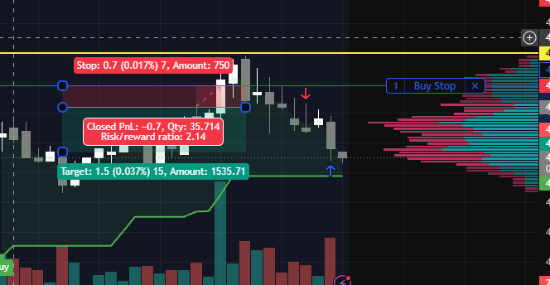
 |  |  |  |  |  |  |  |  |  |  |  |  |  |  | #VALUE!
 |  |  |  |  |  |  |  |  |  |  |  |  |  |  | #VALUE!
 |  |  |  |  |  |  |  |  |  |  |  |  |  |  | #VALUE!
 |  |  |  |  |  |  |  |  |  |  |  |  |  |  | #VALUE!
 |  |  |  |  |  |  |  |  |  |  |  |  |  |  | #VALUE!
 |  |  |  |  |  |  |  |  |  |  |  |  |  |  | #VALUE!
 |  |  |  |  |  |  |  |  |  |  |  |  |  |  | #VALUE!
 |  |  |  |  |  |  |  |  |  |  |  |  |  |  | #VALUE!
 |  |  |  |  |  |  |  |  |  |  |  |  |  |  | #VALUE!
 |  |  |  |  |  |  |  |  |  |  |  |  |  |  | #VALUE!
 |  |  |  |  |  |  |  |  |  |  |  |  |  |  | #VALUE!
 |  |  |  |  |  |  |  |  |  |  |  |  |  |  | #VALUE!
 |  |  |  |  |  |  |  |  |  |  |  |  |  |  | #VALUE!
 |  |  |  |  |  |  |  |  |  |  |  |  |  |  | #VALUE!
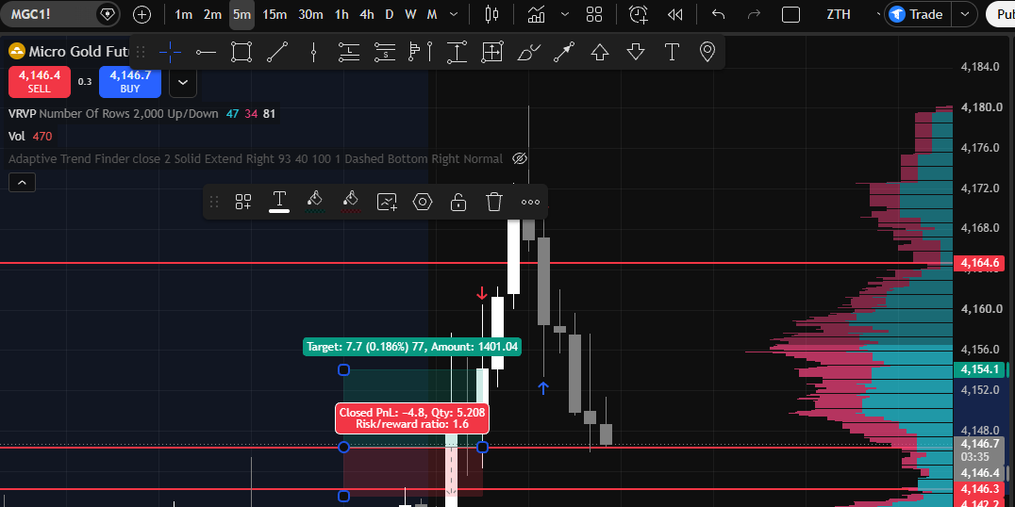
 |  |  |  |  |  |  |  |  |  |  |  |  |  |  | #VALUE!
 |  |  |  |  |  |  |  |  |  |  |  |  |  |  | #VALUE!
 |  |  |  |  |  |  |  |  |  |  |  |  |  |  | #VALUE!
 |  |  |  |  |  |  |  |  |  |  |  |  |  |  | #VALUE!
 |  |  |  |  |  |  |  |  |  |  |  |  |  |  | #VALUE!
6 | 07/27/2026 | 9:39:00 | MGC | Long | 4146.2 | 4154.1 | 3 | 4141.6 | 4154.1 | 1.72 | 1.72 | Win | 237 | 0.19% | #VALUE! |  | 1) 1H - uptrend 2) BR at key level
 |  |  |  |  |  |  |  |  |  |  |  |  |  |  | #VALUE!
 |  |  |  |  |  |  |  |  |  |  |  |  |  |  | #VALUE!
 |  |  |  |  |  |  |  |  |  |  |  |  |  |  | #VALUE!
 |  |  |  |  |  |  |  |  |  |  |  |  |  |  | #VALUE!
 |  |  |  |  |  |  |  |  |  |  |  |  |  |  | #VALUE!
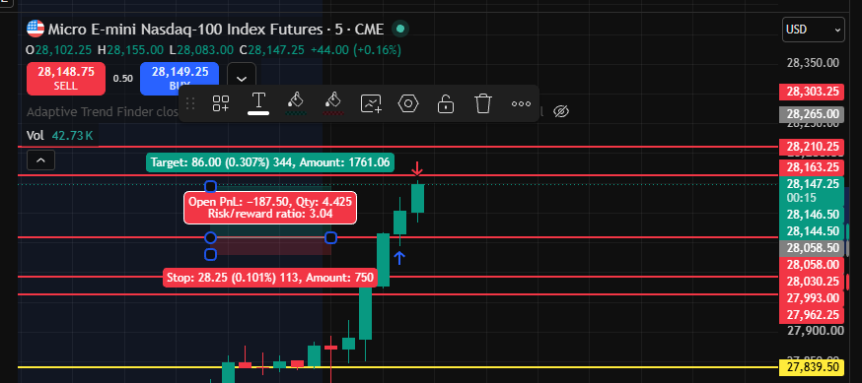
 |  |  |  |  |  |  |  |  |  |  |  |  |  |  | #VALUE!
7 | 07/27/2026 | 9:52:00 | MNQ | Long | 28058.5 | 28144.5 | 1 | 28032 | 28145.25 | 3.27 | 3.25 | Win | 172 | 0.31% | #VALUE! | BR | 1) 1H - uptrend 2) BR at key level
 |  |  |  |  |  |  |  |  |  |  |  |  |  |  | #VALUE!
 |  |  |  |  |  |  |  |  |  |  |  |  |  |  | #VALUE!
 |  |  |  |  |  |  |  |  |  |  |  |  |  |  | #VALUE!
 |  |  |  |  |  |  |  |  |  |  |  |  |  |  | #VALUE!
 |  |  |  |  |  |  |  |  |  |  |  |  |  |  | #VALUE!
 |  |  |  |  |  |  |  |  |  |  |  |  |  |  | #VALUE!
 |  |  |  |  |  |  |  |  |  |  |  |  |  |  | #VALUE!
 |  |  |  |  |  |  |  |  |  |  |  |  |  |  | #VALUE!
 |  |  |  |  |  |  |  |  |  |  |  |  |  |  | #VALUE!
 |  |  |  |  |  |  |  |  |  |  |  |  |  |  | #VALUE!
 |  |  |  |  |  |  |  |  |  |  |  |  |  |  | #VALUE!
 |  |  |  |  |  |  |  |  |  |  |  |  |  |  | #VALUE!

8 | 07/27/2026 | 10:05:00 | MGC | Long | 4164.8 | 4159.7 | 3 | 4159.8 | 4174.8 | 2.00 | -1.02 |  | -153 | -0.12% | #VALUE! | BR | 1) 1H - uptrend 2) Rushed on 3rd candle thinking it will be BR. 3) Mistakes: Overtrading, Rushed Trading.
 |  |  |  |  |  |  |  |  |  |  |  |  |  |  | #VALUE!
 |  |  |  |  |  |  |  |  |  |  |  |  |  |  | #VALUE!
 |  |  |  |  |  |  |  |  |  |  |  |  |  |  | #VALUE!
 |  |  |  |  |  |  |  |  |  |  |  |  |  |  | #VALUE!
 |  |  |  |  |  |  |  |  |  |  |  |  |  |  | #VALUE!
 |  |  |  |  |  |  |  |  |  |  |  |  |  |  | #VALUE!
 |  |  |  |  |  |  |  |  |  |  |  |  |  |  | #VALUE!
 |  |  |  |  |  |  |  |  |  |  |  |  |  |  | #VALUE!
 |  |  |  |  |  |  |  |  |  |  |  |  |  |  | #VALUE!
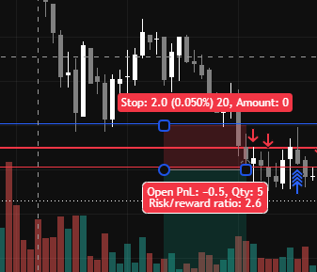
 | 07/28/2026 | 15:00:00 | MGC | Short | 4024.4 | 4025.8 | 3 | 4025.8 | 4021.2 | 2.29 | -1.00 | Loss | -42 | -0.03% | #VALUE! | BR | 1H Donwtrend. BR
 |  |  |  |  |  |  |  |  |  |  |  |  |  |  | #VALUE!
 |  |  |  |  |  |  |  |  |  |  |  |  |  |  | #VALUE!
 |  |  |  |  |  |  |  |  |  |  |  |  |  |  | #VALUE!
 |  |  |  |  |  |  |  |  |  |  |  |  |  |  | #VALUE!
 |  |  |  |  |  |  |  |  |  |  |  |  |  |  | #VALUE!
 |  |  |  |  |  |  |  |  |  |  |  |  |  |  | #VALUE!
 |  |  |  |  |  |  |  |  |  |  |  |  |  |  | #VALUE!
 |  |  |  |  |  |  |  |  |  |  |  |  |  |  | #VALUE!
 |  |  |  |  |  |  |  |  |  |  |  |  |  |  | #VALUE!
 |  |  |  |  |  |  |  |  |  |  |  |  |  |  | #VALUE!
 |  |  |  |  |  |  |  |  |  |  |  |  |  |  | #VALUE!
 |  |  |  |  |  |  |  |  |  |  |  |  |  |  | #VALUE!
 |  |  |  |  |  |  |  |  |  |  |  |  |  |  | #VALUE!
 |  |  |  |  |  |  |  |  |  |  |  |  |  |  | #VALUE!
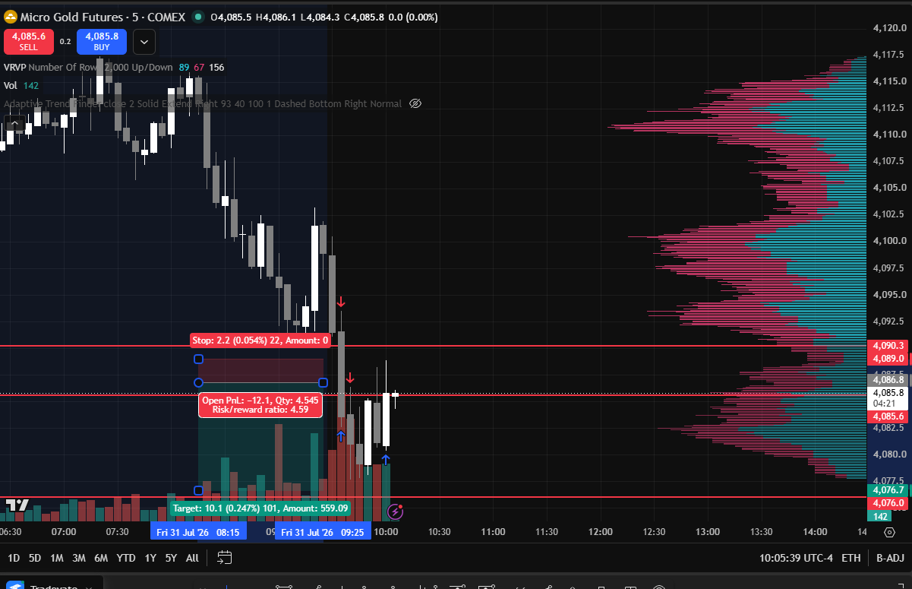
 | 07/31/2026 | 9:42:00 | MGC | Short | 4085.7 | 4088.8 | 3 | 4088.8 | 4078 | 2.48 | -1.00 |  | -93 | -0.08% | #VALUE! | BR | 1H donwtrend. BR
 |  |  |  |  |  |  |  |  |  |  |  |  |  |  | #VALUE!
 |  |  |  |  |  |  |  |  |  |  |  |  |  |  | #VALUE!
 |  |  |  |  |  |  |  |  |  |  |  |  |  |  | #VALUE!
 |  |  |  |  |  |  |  |  |  |  |  |  |  |  | #VALUE!
 |  |  |  |  |  |  |  |  |  |  |  |  |  |  | #VALUE!
 |  |  |  |  |  |  |  |  |  |  |  |  |  |  | #VALUE!
 |  |  |  |  |  |  |  |  |  |  |  |  |  |  | #VALUE!
 |  |  |  |  |  |  |  |  |  |  |  |  |  |  | #VALUE!
 |  |  |  |  |  |  |  |  |  |  |  |  |  |  | #VALUE!
 |  |  |  |  |  |  |  |  |  |  |  |  |  |  | #VALUE!
 |  |  |  |  |  |  |  |  |  |  |  |  |  |  | #VALUE!
 |  |  |  |  |  |  |  |  |  |  |  |  |  |  | #VALUE!
 |  |  |  |  |  |  |  |  |  |  |  |  |  |  | #VALUE!
 |  |  |  |  |  |  |  |  |  |  |  |  |  |  | #VALUE!
 |  |  |  |  |  |  |  |  |  |  |  |  |  |  | #VALUE!
 | 08/03/2026 | 9:50:00 | MGC | Short | 4086.8 | 4080.1 | 3 | 4090.9 | 4080.2 | 1.61 | 1.63 |  | 201 | 0.16% | #VALUE! | BR | 1H donwtrend. BR | https://www.tradingview.com/x/o0WM86z0/
 | 08/03/2026 | 10:35:00 | MGC | Short | 4091.7 | 4087.9 | 3 | 4094.2 | 4087.9 | 1.52 | 1.52 |  | 114 | 0.09% | #VALUE! | BR | 1H donwtrend. BR Moved TP because trend on LTH was up.
 | 08/03/2026 | 15:14:00 | MGC | Short | 4101.9 | 4105.9 | 3 | 4105.9 | 4095.3 | 1.65 | -1.00 |  | -120 | -0.10% | #VALUE! |  | 1H downtrend. Mistakes: Did not follow levels. Overtraded because of boredom.
 |  |  |  |  |  |  |  |  |  |  |  |  |  |  | #VALUE!
 |  |  |  |  |  |  |  |  |  |  |  |  |  |  | #VALUE!
 |  |  |  |  |  |  |  |  |  |  |  |  |  |  | #VALUE!
 | 08/06/2026 | 9:57:00 | MNQ | Long | 29606.5 | 29630 | 3 | 29515 | 29630 | 0.26 | 0.26 |  | 141 | 0.08% | #VALUE! |  | 1H uptrend BR at opening level Mistake: Was targetting 3R - greedy. Ended up closing 1R. Learning: Trim contracts? How to target right R? | https://www.tradingview.com/x/YeMojRKX/
 | 08/06/2026 | 11:57:00 | MGC | Short | 4293.6 | 4288 | 3 | 4301.6 | 4288 | 0.70 | 0.70 |  | 168 | 0.13% | #VALUE! |  | Donwtrend BR at 4293.5. TP 60 SL 80 because the next level was very close. 0.8R | https://www.tradingview.com/x/bqLtDKW1/

